SAT-CVM-MTN-03
▣ Scenario SAT-OVM-MTN-03: Inquiry

STAFF
Tapping staff card
Display configuring menu
Select statistics menu
Display statistics information
SCVM
Validate card
Display the information
▶ Desc & Flow
Description |  | It provides the statistics data using saved transaction data of validation
Biz flow ( It describe briefly )

▶ Advance preparation
Preparation |  | STAFF Card 1 EA, SCVM 1 EA

▶ Data
NO | Item | 1 | 2 | 3 | 4 | 5
1 | N/A

001
Test Case -SAT-OVM-MTN-03-001 : Statistics of Transaction Data

1. Test Scenario
Test date |  | 1st |  | Tester |  | 1st
 |  | 2nd |  |  |  | 2nd
 |  | 3rd |  |  |  | 3rd

Login
Choose Statistics Menu
Display Statistics
Description |  | Statistics of Transaction Data |  |  |  |  | Written by |  | Süleyman Kabadayı
Flow

NO | Task | Test data | Expected result | Person in charge | Result |  | Pass/Fail |  |  | Remark
 |  |  |  |  |  |  | 1st | 2nd | 3rd
1 | [Login] 1. Tapping with Staff Card | Test Data : A | Success to Login | KIM J.E. | 1st |  |  |  |  | Test Data:B
 |  |  |  |  | 2nd
 |  |  |  |  | 3rd
2 | [Settings Menu] 1.Select the statistics menu |  | Display the statistics information | KIM J.E. | 1st |  |  |  |  | Test Data:C
 |  |  |  |  | 2nd
 |  |  |  |  | 3rd

NO | Item
A | Staff card | Staff card for testing
B | 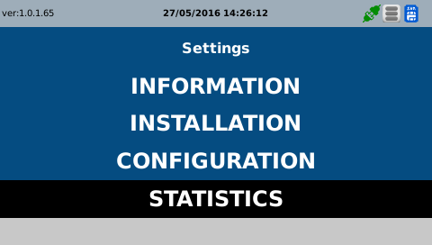 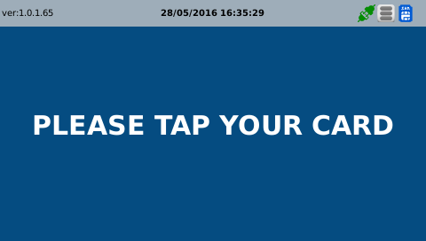 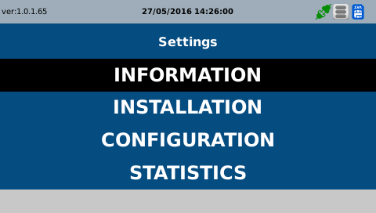
C | 